regression
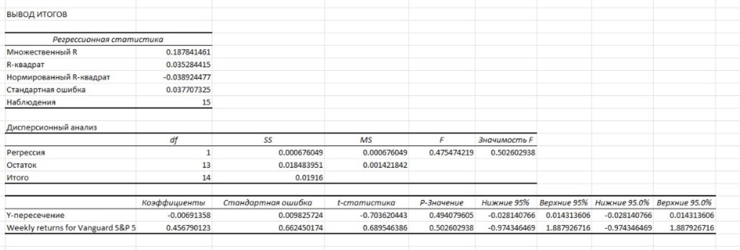
Date | Weekly returns for Vanguard S&P 500 ETF (VOO) | Weekly returns for Tesla, Inc. (TSLA)
3/10/2026 | 0.01 | 0.01
3/9/2026 | 0.01 | -0.01
3/2/2026 | -0.02 | 0.01
2/23/2026 | 0.01 | -0.04
2/9/2026 | -0.01 | -0.01
2/2/2026 | 0.00 | -0.03
1/26/2026 | 0.00 | -0.03
1/12/2026 | 0.00 | -0.01
1/5/2026 | 0.02 | -0.02
12/29/2025 | 0.00 | -0.03
12/15/2025 | 0.00 | 0.08
12/8/2025 | -0.01 | 0.02
12/1/2025 | 0.00 | 0.03
11/24/2025 | 0.04 | 0.02
11/17/2025 | -0.02 | -0.08
11/10/2025 |  | 1.00 | Coefficient | Value | Interpretation
11/3/2025 |  | 0.00 | Intercept | -0.0069 (-0.69%) | This is zero (p-value = 0.49 > 0.05) → No abnormal returns
10/27/2025 |  | 0.00 | Beta | 0.4568 | Tesla moves less than the market (β < 1)
10/20/2025 |  | 0.00 | P-value for Beta | 0.502 > 0.05 | Beta is statistically insignificant
10/13/2025 |  | -1.05
10/6/2025 |  | 1.05
9/22/2025 |  | 0.00 | Metric | Value | Interpretation
9/15/2025 |  | 0.00 | R-squared | 0.035 (3.5%) | Only 3.5% of Tesla's movements are explained by the market
9/8/2025 |  | 0.00 | Significance F | 0.502 > 0.05 | The model is statistically insignificant
8/25/2025 |  | -1.02
8/18/2025 |  | 1.02
8/11/2025 |  | 0.00
8/4/2025 |  | 0.00
7/28/2025 |  | 0.00
7/21/2025 |  | -1.00
7/14/2025 |  | 1.00
7/7/2025 |  | 0.00
6/23/2025 |  | 0.00
6/16/2025 |  | 0.00
6/9/2025 |  | -0.98
6/2/2025 |  | 0.98
5/19/2025 |  | 0.00
5/12/2025 |  | 0.00
5/5/2025 |  | 0.00
4/28/2025 |  | -1.02
4/21/2025 |  | 1.02
4/14/2025 |  | 0.00
4/7/2025 |  | 0.00
3/31/2025 |  | 0.00
3/24/2025 |  | 0.00
3/17/2025 |  | 0.00
3/10/2025 |  | 0.00

